HOW TO USE THE FILE
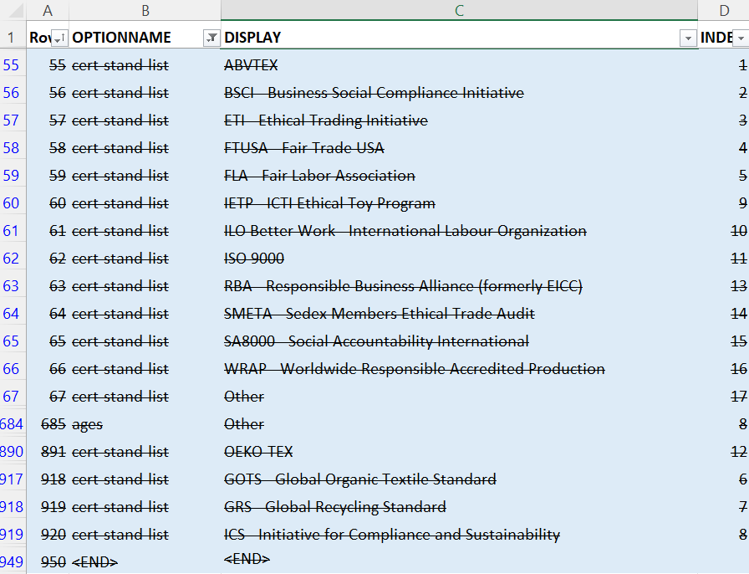
HOW TO USE THE FILE
 | This workbook contains resources that show the updates in CAF Version 1.7.0 and its comparison to CAF Version 1.6.0. See below a description of each sheet:

 | SHEET NAME |  | DESCRIPTION
 | MAIN UPDATES TO CAF 1.7.0 / GENERAL DIFFERENCE TO CAF 1.6.0 |  | Sheet contains summary of main updates in CAF v1.7.0
 | 1.6 v 1.7 Diff |  | Sheet contains all keys in CAF v1.6.0 and CAF v1.7.0 and which keys: a) Have been added to CAF v1.7.0, b) Have been removed from CAF v1.7.0, c) Are in both Versions, but with changes in CAF v1.7.0, d) Are the same in both Versions.
 | TRACK CHANGES Main Survey Actual |  | Sheet contains Main Survey Actual document with all the changes to CAF v1.6. It shares the keys that have been: 1) Deletion 2) New keys 3) Moved to a new position 4) Update to attribute (CATEGORY, COMPLETION CONDITION, DATA TYPE, HUMAN SHOW/HIDE, MULTI-SELECT, MULTI-SELECT UNIQUE, OPTION LIST, MAIN TEXT AND/OR MORE INFO, VALIDATION SCOPE, VERSION)
 | Option List COLOR FILE |  | Sheet contains the Option List document with all the updates to CAF v1.7.0. All the deletions are highlighted in blue, while the additions are highlighted in yellow.

MAIN UPDATES TO CAF 1.7.0 / GENERAL DIFFERENCE TO CAF 1.6.0

 | This sheet contains a summary of changes / updates implemented in CAF 1.7.0
 | For more information, please click on the tab "MAIN UPDATES TO CAF 1.7.0"

1.6v1.7 DIFF

 | Sheet contains both keys from CAF v1.6.0 and CAF v1.7.0 and which of those keys: A) Have been added to CAF v1.7.0 B) Have been removed from CAF v1.7.0 C) Are in both Versions, but with changes in CAF v1.7.0 and D) Are the same in both Versions.
 | More instructions below on how to use the filter and show how the keys will be presented for each different category.

 | A) Keys that have been added to CAF 1.7
 | To find out which keys have been added to CAF v1.7, select option "Added to 1.7" in column A "Filter". Please note that a lot keys are not new topics added to the CAF, but rather data points that have reversed from positive to negative meaning. Please understand these changes better by looking at the sheet "MAIN UPDATES TO CAF 1.7.0".
 | All new CAF v1.7 keys' cells will be colored in blue showing they are different from CAF v1.6 entries. 1.6 entries will all be empty because these are totally new keys to v1.7 that did not exist in v1.6.

 | B) Keys that have been removed from CAF v1.7
 | To find out which keys have been removed from CAF v1.7, select option "Removed in 1.7" in column A "Filter". Please note that a lot keys that were phrased positively have now changed to negative phrasing, so the type of data collected remains the same. The deletions are just the data points that were phrased positively and they have been replaced with new keys with the opposite meaning. Please understand these changes better by looking at the sheet "MAIN UPDATES TO CAF 1.7.0".
 | All empty CAF v1.7 keys' cells will be colored in blue showing they are different from CAF v1.6 entries. 1.7 entries will all be empty because v1.7 no longer contains the CAF v1.6 keys.

 | C) Keys are present in both Versions, but with changes in CAF v1.7
 | To find out which CAF v1.6 keys are in CAF v1.7 with updates, select option "In both with changes in 1.7" in column A "Filter".
 | All cells updated in CAF v1.7, from existing keys in CAF v1.6, will be colored in blue in CAF v1.7 columns. Only cells with changes in CAF v1.7 will be displayed in blue.

 | D) Keys are present in both Versions, with no changes in CAF v1.7 except for 'Version #' and 'Number'
 | To find out which keys are in both CAF v1.7 and CAF v1.6, select option "Same in both" in column A "Filter".
 | The results might be displayed in two ways: 1) one where no cell is colored in blue, meaning the key is the exact same in both CAF v1.7 and CAF v1.6, and 2) another where the cells in the "1.7 Version #" and "1.7 Number" (and on some occasions 1.7 Master Type) will be in blue indicating that the key has a new number (or question type) designation in CAF v1.7. These "Same in both" items are under this "Same in both" category even if not exactly the same, because essentially the question and its main attributes have not changed.

TRACK CHANGES Main Survey Actual

 | All the updates (deletion, update or addition) have been categorized using one (or more of the categories below) to facilitate mapping/understanding the changes. SLCP defines update, deletion and addition as the following. An 'update' means that one of the key's attributes has been updated. The attribute can be its VERSION, NUMBER, CATEGORY, MAIN TEXT, MORE INFO, DATA TYPE, MULTI-SELECT, MULTI-SELECT UNIQUE, OPTION LIST, COMPLETION CONDITION, HUMAN SHOW/HIDE, VALIDATION SCOPE. An 'addition' means a new key has been added to the Tool. Finally, a 'deletion' means a key has been deleted from the Tool. These categories are in column A 'TYPE OF UPDATE / CHANGE' of sheet Main Survey Actual.

 | DELETED |  |  | Legend:
 | NEW KEY IN CAF 1.7 |  |  | Deletions' row are highlighted in blue
 | NEW KEY IN CAF 1.7 (CONDITIONAL TO ANSWER OPTION 'NO APPLICABLE LEGAL REQUIREMENTS' IN STEP 1 KEY) |  |  | Additions' row are highlighted in yellow
 | NEW KEY IN CAF 1.7 (HUMAN RIGHTS DUE DILIGENCE) |  |  | Updated cells are highlighted in green
 | NEW KEY UPDATE OF CAF 1.6 KEY |  |  | Moved rows are highlighted in grey
 | NEW KEY UPDATE OF CAF 1.6 KEY (BROKEN DOWN IN SEPARATE OPTIONS)
 | NEW KEY UPDATE OF CAF 1.6 KEY (FROM % TO NUMBER)
 | NEW KEY UPDATE OF CAF 1.6 KEY (SELECTION OF CERTIFICATION)
 | NEW KEY UPDATE OF CAF 1.6 KEY (UPDATE TO CAPTURE NEGATIVE/ OPPOSITE MEANING)
 | UPDATE MOVED TO NEW POSITION
 | UPDATE NEW POSITION
 | UPDATE NUMBER ONLY
 | UPDATE OTHER ATTRIBUTE (CATEGORY)
 | UPDATE OTHER ATTRIBUTE (COMPLETION CONDITION)
 | UPDATE OTHER ATTRIBUTE (DATA TYPE)
 | UPDATE OTHER ATTRIBUTE (HUMAN SHOW/HIDE)
 | UPDATE OTHER ATTRIBUTE (HUMAN SHOW/HIDE) - CONDITIONAL TO ANSWER OPTION 'NO APPLICABLE LEGAL REQUIREMENTS' OF ANOTHER KEY
 | UPDATE OTHER ATTRIBUTE (HUMAN SHOW/HIDE) - UPDATE NEW POSITION
 | UPDATE OTHER ATTRIBUTE (MULTI-SELECT)
 | UPDATE OTHER ATTRIBUTE (MULTI-SELECT UNIQUE)
 | UPDATE OTHER ATTRIBUTE (OPTION LIST)
 | UPDATE TEXT (MAIN TEXT AND/OR MORE INFO)
 | UPDATE VALIDATION SCOPE (ADD BW)
 | UPDATE VALIDATION SCOPE (DELETED)
 | UPDATE VALIDATION SCOPE (REMOVE BW)
 | UPDATE VERSION

 | Do note that, although the categories are seen separately on the list above, any row in the Main Survey Actual may contain one or more updates, meaning that more than one category will be listed in a cell in column A 'TYPE OF UPDATE / CHANGE'. See example below:

 |  | UPDATE NEW POSITION UPDATE TEXT (MAIN TEXT AND/OR MORE INFO) UPDATE OTHER ATTRIBUTE (HUMAN SHOW/HIDE) - CONDITIONAL TO ANSWER OPTION 'NO APPLICABLE LEGAL REQUIREMENTS' OF ANOTHER KEY

 | How to search for an update

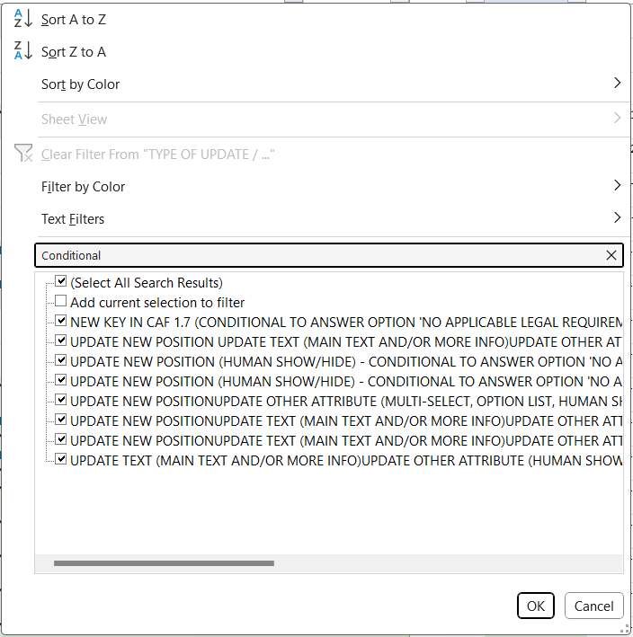
 | To look for a specific update click on the button on the bottom right side of the cell 'TYPE OF UPDATE / CHANGE' then type in a key word for what you are looking for in the search box, below 'Text Filters'. On the example below, the search was for all entries that have been updated and are now conditional to the answer option 'No applicable legal requirements' so the key word was 'conditional'.

 | If you are looking for new keys only that are conditional to the answer option 'No applicable legal requirements', you can leave the box related to the option you want checked. See results below.
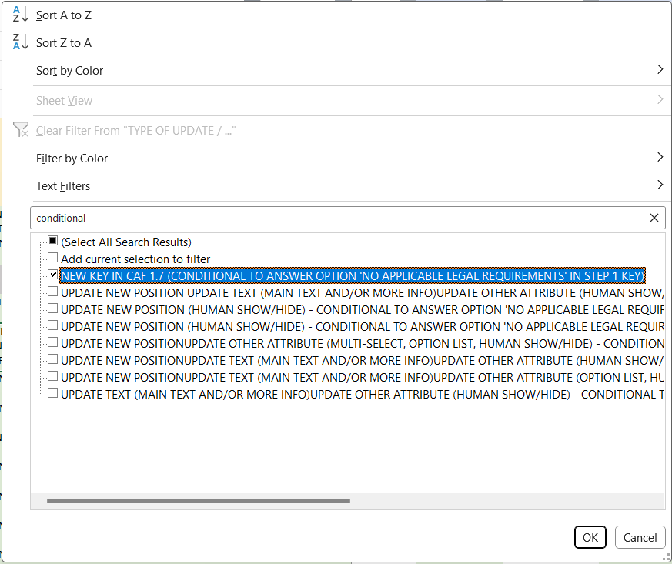

OPTION LIST UPDATES

 | The following items highlight the changes to the Option List in CAF v1.7. All the deletions are highlighted in blue, while the additions are highlighted in yellow.

 | A) Addition of language "Mauritian Creole" to language option list, two new options in ages and new option list pcb
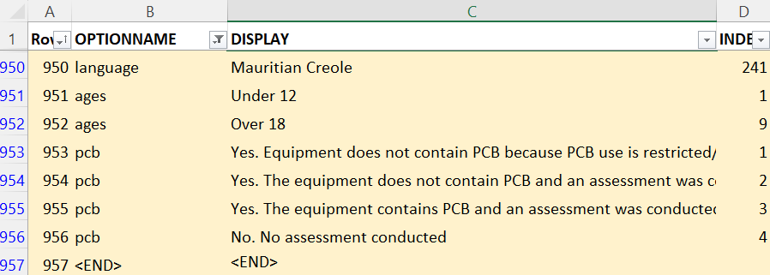

 | B) Deletion of the option list cert-stand-list and of option 'Other' from option list ages.

